Module 17
Main
 | Module 17 - Audit engagements with extended scope

 | ISA (UK) 315 Identifying and Assessing the Risks of Material Misstatement
 | ISA (UK) 600 Special Considerations – Audits of Group Financial Statements (Including the Work of Component Auditors)
 | ISA (UK) 720 The Auditor’s Responsibilities Relating to Other Information

 | Groups and components

 | Group audit
 | Parent company audit
 | component audits

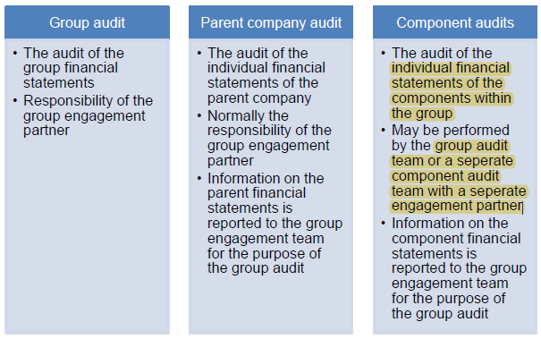

 | Group audit is distinct from other audits
 | the group auditor is typically the parent company auditor as well
 | for FINREP - assume the group auditor are responsible for group and parent co. reporting
 | assume components report to group for the purposes of group audit

 | The group audiotor has some additional rights to require from a UK-incorporated company and it's auditors all informations and explanantions as they may reasonably require.

 | the group engagement partner is solely responsible for expressing an opinion on the consolidated financial statements

 | Unerstanding the component auditor
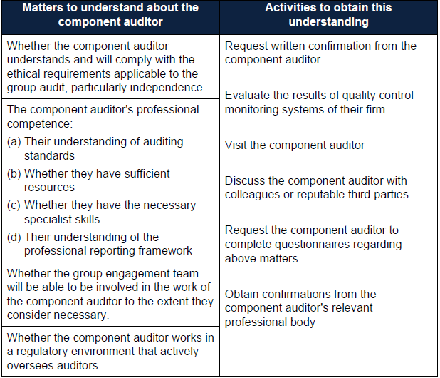

 | Can have a component auditor within the firm network

 | Materiality
 | Set it for the group and the component

 | Planned response to risk

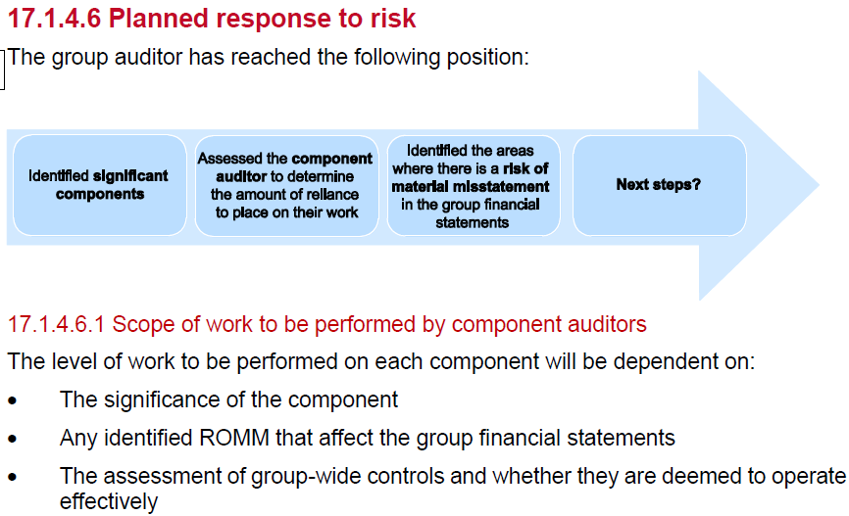

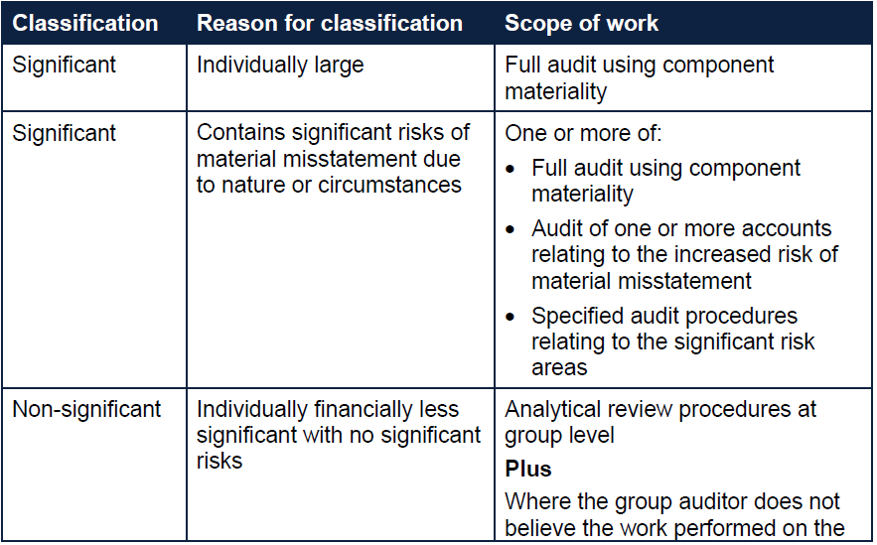

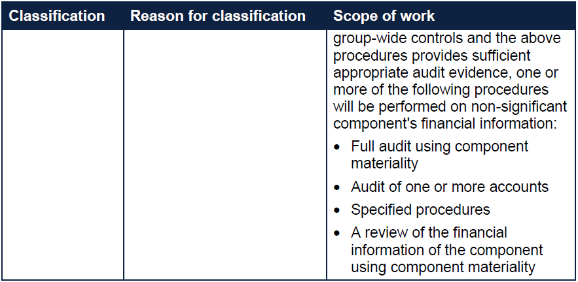

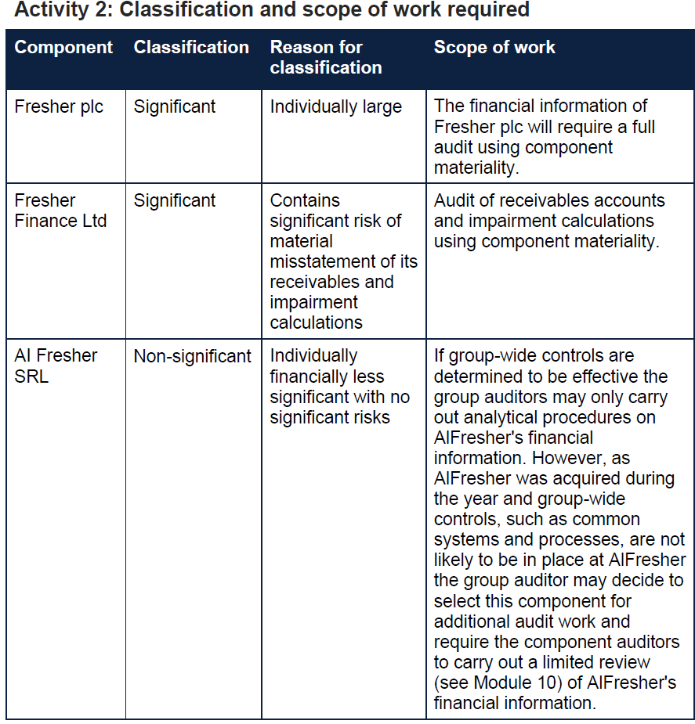

 | Group ASM
 | BSSMART
 | • Background client information
 | • Systems and controls information
 | • Staffing and key client contacts
 | • Materiality
 | • Analytical procedure results
 | • Risk assessment findings and procedures planned in response
 | • Timetable

 | For finrep course. Group asm is just the asm

 | Compoent complete the group referral instructions

 | Communication with those charged with governance of the group
 | 1. A summary of the type of work to be done on components
 | 2. A summary of the group audit team's involvement in the component auditor's work
 | 3. Their opinion on the quality of the component auditor's work where there is a concern
 | 4. Any limitation on access to information
 | 5. Fraud or suspected fraud throughout the group

 | Substantive procedures
 | Analytical procedures over consolidated financial statements
 | Substantive procedures over the consolidation schedule and group adjustments

 | Anakytical review is a good starting point then do further procedures

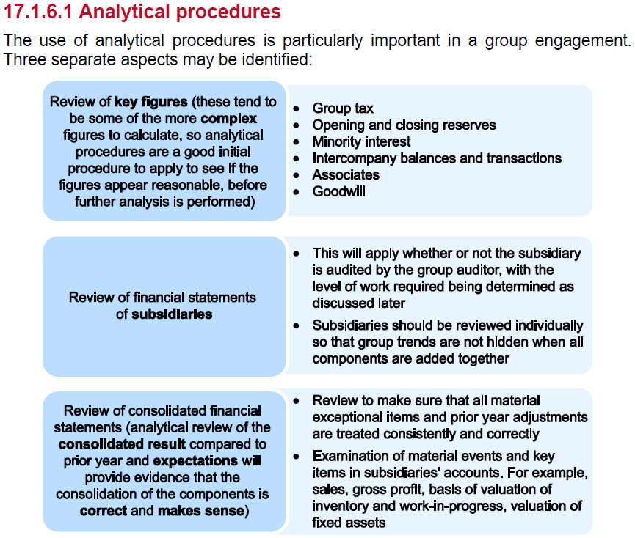

 | TOD | verb | ICARE
 |  | population
 |  | evidence
 |  | activity

 | Activty 3

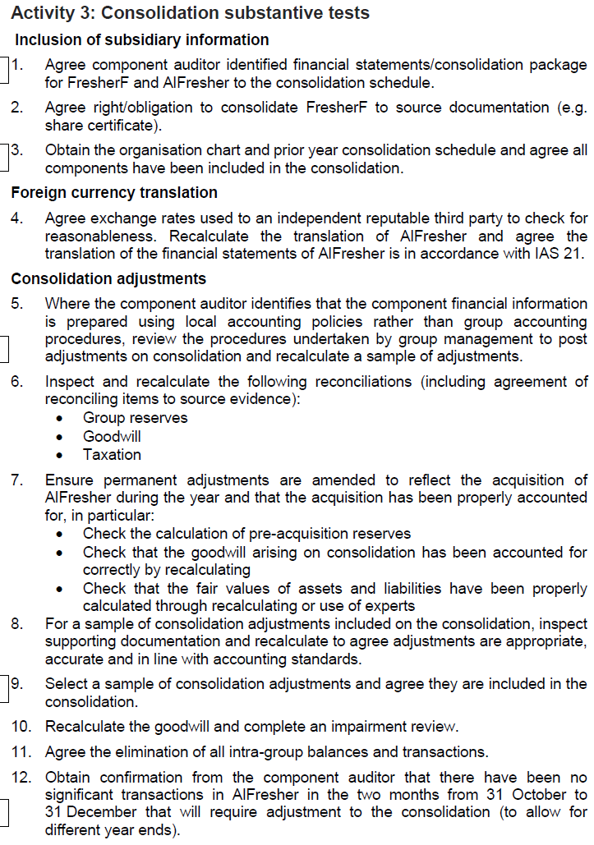

 | Completion
 | Additional time must be built into the audit process to enable the group auditor to:
 | • Review the work of the component auditors and the group team
 | • Review any reporting documentation from the component auditors
 | • Consider any modifications of component audit reports on the group audit report
 | • Discuss all salient issues with the component auditors

 | Evaluation of work performed by component auditors
 | • A list of uncorrected misstatements of the component
 | • Any significant matters in relation to the component audit, including fraud or
 | suspected fraud
 | • The overall findings, conclusions or opinion

 | Sufficiency and appropriateness of audit evidence
 | The group auditor will evaluate whether they have obtained sufficient appropriate audit evidence from:
 | • Audit procedures on the consolidation process
 | • Work performed by the group audit team as well as component auditors

 | Documentation and reporting to management and those charged with governance
 | The Group Audit Highlights Memorandum

 | The auditor's report
 | The group auditor has sole responsibility for the opinion on the consolidated accounts.

 | Financial Services

 | Activity 4

 |  |  | 1.5% pcm | 1.75% pcm | Class A | Class B
 | Month | NAV (£) | Class A | Class B | 1.50% | 1.75%
 | January | 10,498,594 | 1,574,789 | 8,923,805 | 23,622 | 156,167
 | February | 11,293,058 | 1,693,959 | 9,599,099 | 25,409 | 167,984
 | March | 12,949,503 | 1,942,425 | 11,007,078 | 29,136 | 192,624
 | April | 11,908,372 | 1,786,256 | 10,122,116 | 26,794 | 177,137
 | May | 10,292,849 | 1,543,927 | 8,748,922 | 23,159 | 153,106
 | June | 11,930,999 | 1,789,650 | 10,141,349 | 26,845 | 177,474
 | July | 13,981,345 | 2,097,202 | 11,884,143 | 31,458 | 207,973
 | August | 14,890,930 | 2,233,640 | 12,657,291 | 33,505 | 221,503
 | September | 14,908,477 | 2,236,272 | 12,672,205 | 33,544 | 221,764
 | October | 15,907,555 | 2,386,133 | 13,521,422 | 35,792 | 236,625
 | November | 14,987,329 | 2,248,099 | 12,739,230 | 33,721 | 222,937
 | December | 15,888,940 | 2,383,341 | 13,505,599 | 35,750 | 236,348
 |  |  |  |  | 358,735 | 2,371,640

 | Expectation |  |  |  | 2,730,375
 | Actual |  |  |  | 3,010,985
 | actual in excess of expectation |  |  |  | 280,610

 | CT |  |  |  | 100,000

 | Above tolerable error so investigate

 | decline in NAV in April and May and a recovery in NAV throuhg June

 | Invesigate
 | 15/85 split is an estimate.
 | NAV comp is done daily. Expectation calculated on monthly average
 | is there another source of income we have not factored into our expectation

 | Conclude
 | no conclusion can be reached until futher procedures are performed.

 | include the following
 | procedures in order to identify any breaches or non-compliance with laws and
 | regulations:
 | • The auditor should discuss with management whether there has been any breach of laws or regulations in the period
 | • The auditor should review the breaches register and complaints register of the fund to identify any non-compliance
 | • The auditor should review correspondence from the Financial Conduct Authority to ensure there has been no identified breach of regulations during the period
 | • The auditor should maintain a high level of professional scepticism throughout the full audit and remain alert for any breaches in laws or regulations

 | A breach of FCA rules could lead to the client losing their Financial Services permissions and therefore it would not be able to continu

 | GC risk around compliance. Loss of licnese is GC risk

 | Going Concern
 | • Falling investment values
 | • Investors withdrawing their money from the fund (large redemptions)
 | • Loss of FCA permissions
 | • Litigation/legal claims/fines
 | • Post balance sheet date review of NAVs
 | • Analysis of industry position, media updates and recent news articles

 | Investments
 | When an auditor is performing testing over the value of investments, there are specific
 | investments that they should focus their testing on when selecting a sample to test.
 | These include:
 | • Higher risk investments including, but not limited to, unlisted or unregulated investments
 | • Investments for which a price is not available as at the balance sheet date
 | • Investments which have been valued using “LAST” price instead of bid price (the “LAST” price is the most recent transaction, but it doesn't always accurately represent the price you would get if you were to buy or sell right now)
 | • Manually overridden prices

 | Task Force on Climate Relates disclosure (TCFD)
 | This is considered a ‘comply or explain’
 | type disclosure.
 | In summary, the FCA listing rule requires the TCFD Compliance Statement to be
 | included in the annual financial report, but it does not mandate TCFD aligned
 | disclosures nor where they should be reported. However, companies that do not report
 | TCFD aligned disclosures will have to explain why this is the case.

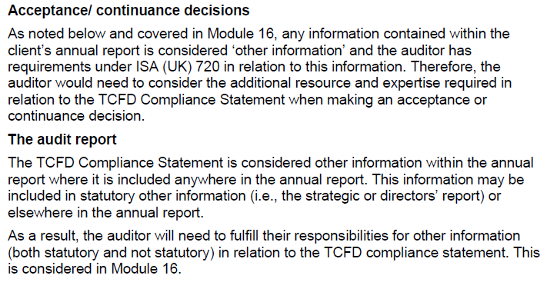

 | CASS Rules

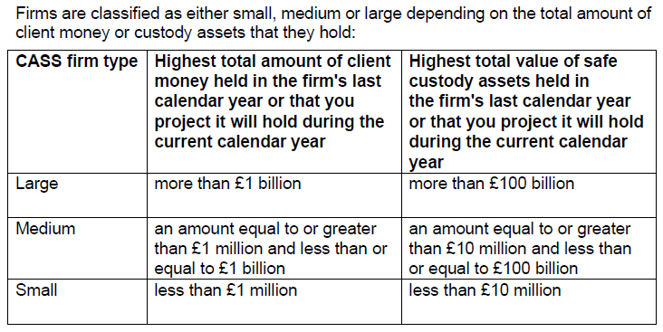

 | monthly Client Money and Asset Return (CMAR)
 | The CMAR contains (amongst other information):
 | • Value of client money (including highest and lowest amounts held during the period)
 | • Value of client assets (including highest and lowest amounts held during the period)
 | • Client money and safe assets reconciliation information
 | • Notifiable breaches during the period

 | The below highlights some audit procedures which the CASS auditor should conduct:
 | 1. Obtaining an understanding of their client firm’s business model (and the
 | permissions it has received from the FCA) sufficient to enable the CASS auditor
 | to establish expectations about the existence or otherwise of client assets
 | including:
 | • Nature of services provided
 | • How it is remunerated for its services
 | • The nature of any transactions undertaken with or on behalf of clients and how those transactions are executed or settled
 | • Nature of relationships within a group and with other related parties
 | • The sources and destinations of cash and other asset inflows and outflows in its own accounts and any accounts it holds or controls on behalf of clients and other parties
 | • Role of sub-custodians and third-party administrators

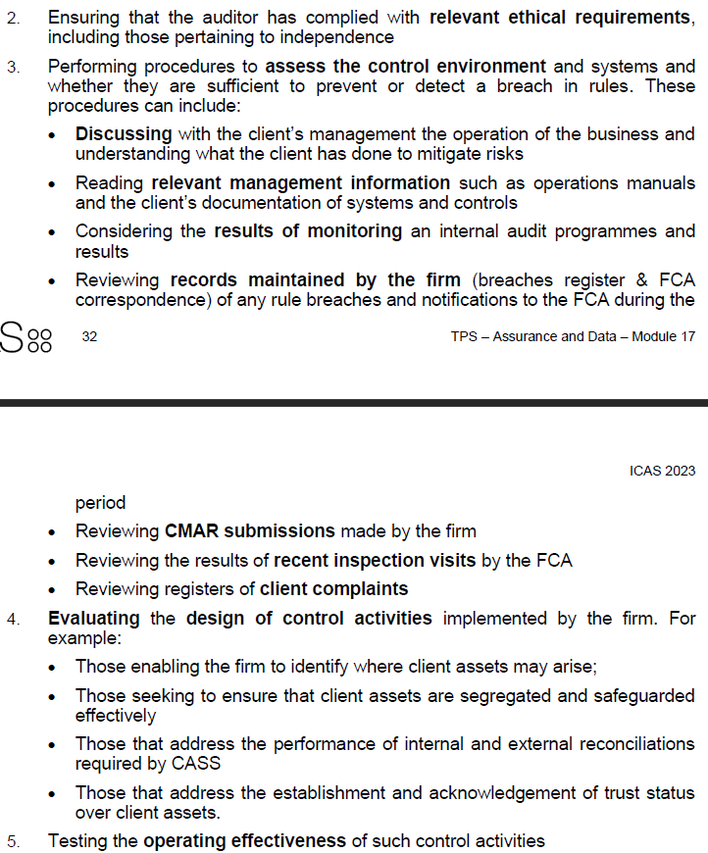

 | Activity 5 - CASS
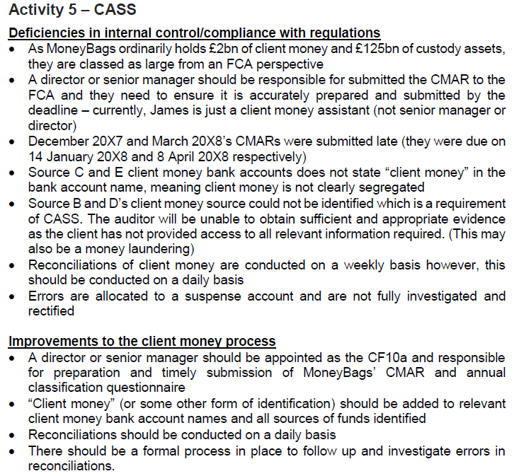

 | Charity Fund accounting

 | restricted fund – it can only be used for the particular purposes specified by the donor.
 | designated fund – part of the charity’s unrestricted funds has been earmarked by the trustees for a particular purpose.
 | endowment fund – it consists of property (in this case, cash) which is held for the benefit of the charity and cannot be spent.
 | unrestricted fund – and may be used for any reasonable purpose consistent with the aims of the charity.

 | Income
 | Cash | high risk of theft as not documentation such as assets
 | tax efficient giving | complex rules and procedures related to this
 | third party fundraisers | the point of revenue recognition is risky here
 | legacy income | uncertainty can rise from esimated valuations and there can be disputes during the process for settling a will
 | Grants or contractual income | coinditional income based on grants
 | non-cash donations | account for as donated income based on the estimated fair value

 | Activities and relates expenditure
 | For example, if an auditor found that restricted funds had been spent in contravention of the restrictions in place, the auditor could consider whether:
 | • Such a matter might represent a breach of trust and be material by nature;
 | • Whether the potential effects (e.g., on future donations or loss of charitable status) might affect the charity’s status as a going concern; and
 | • Whether the auditor would have a responsibility under charity law to report the breach to the relevant charity regulator.

 | Tax
 | Charities qualify for reliefs and exemptions in relation to VAT and business rates but failure to apply these correctly may result in incorrectly recognised expenses and associated liabilities

 | Activity 6

 | Activity 6: Charity substantive procedures
 | Based on Module 13, Planning of solution (see Module 13 for guidance on planning a
 | solution where substantive tests are required):
 | 1. RoMM. High due to weak control environment, complexities of fund accounting and
 | related party transactions. As he is a trustee, all payments to Jeff are material by
 | nature.
 | 2. Accounting policies. Payroll expense recognised as work is completed, amount
 | calculated based on contracted terms and hours worked. Glama uses timesheets to
 | calculate amount payable each week. Charity must debit correct fund, given the
 | constraints on the restricted fund. Glama achieves this through a manually calculated
 | allocation journal.
 | 3. Assertions to be tested. Payroll is an expense account, so the relevant assertions
 | are C, O, CO, A, Cl and P. Riskier assertions for expenditure accounts are normally C
 | and CO, but given complexities of fund accounting and fraud risks associated with
 | payroll and related party transactions, O and Cl are also risky in this case. P is not
 | relevant to this question as it would be tested as part of standard tests through the
 | completion of a disclosure checklist.
 | 4. Common procedures. From TC AR Module 20, we are aware that common
 | procedures for payroll include payroll reconciliation testing and joiners and leavers
 | testing.
 | List of tests:
 | Payroll reconciliation
 | • Obtain the year-end payroll reconciliation (rec), including reconciliation to restricted
 | and unrestricted funds. Cast the rec. Agree payroll total per rec to that on the payroll
 | listing. Agree ledger balance per rec to that on the accounting system/financial
 | statements. Obtain supporting evidence for a sample of reconciling items.
 | Joiners and leavers testing
 | • For a sample of joiners from the payroll listing, inspect HR records to confirm that
 | there is a matching contract of employment on file, including for Jeff.
 | • For a sample of leavers from the HR records, inspect payroll listing and confirm that
 | they were removed from system not paid thereafter.
 | • Equivalent testing for understatement of payroll for joiners (contract to payroll) and
 | leavers (payroll listing leavers to resignation letter, P45 etc).
 | Payroll listing (including trustee payments)
 | • For a sample of payroll transactions on the payroll listing, inspect authorised
 | timesheet and confirm the work for the charity was performed. Recalculate payroll
 | based on hours recorded per the timesheets and contracted rate of pay and
 | compare to that recorded on payroll listing. Confirm that activities recorded in
 | timesheet are in accordance with charity’s founding documents. Include trustee
 | payments in this sample.
 | • For a sample of authorised timesheets, inspect payroll listing and confirm matching
 | payroll expense recorded. Recalculate payroll based on hours recorded and
 | contracted rate and compare to that recorded on payroll listing. Confirm that
 | activities recorded in timesheet are in accordance with charity’s founding
 | documents.
 | Testing cut off
 | • For a sample of authorised timesheets dated either side of the year-end, confirm
 | that the payroll expense has been correctly included in/excluded from the correct
 | year.
 | ADAs
 | • Use audit data analytics to identify any cases where the weekly allocation journal
 | has either been omitted, duplicated, or differs significantly from typical values.
 | Investigate and corroborate any exceptions.
 | Fund allocation
 | • For a sample of weekly allocation journals, inspect workings, cast and review
 | supporting spreadsheets to confirm that the allocation was based on proportions of
 | time spent and that the allocation resulted in the correct amounts being classified
 | to each fund.
 | • Obtain a breakdown of costs allocated to the restricted fund, and trace to source
 | evidence (timesheet) to confirm that work was performed in relation to alpacas only.

 | Public sector bodies audit

 | Materiality if typically measured on expenditure (0.5% - 2%)
 | expense is better for service organisatoins
 | for stewardship of assets, asset values might be better

 | Going concern
 | Policy decisions form parliament can impact the going concern
 | the auditor may request direct confirmations of the intentions of the relevant parliamen and any department responsible for providing financial support

 | relevant frameworks
 | sufficient appropriate evidence
 | reports

 | When assessing the inherent risk of material irregularity, the auditor evaluates a range of factors, such as:
 | • The complexity of the regulations;
 | • Newly introduced or changed laws and regulations; and
 | • Services and programmes delivered through third parties, where the entity will lack direct oversight and control of delivery.

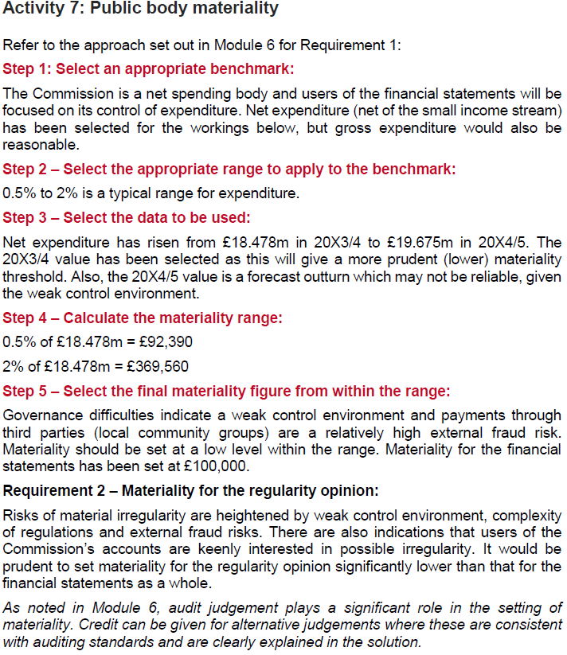

 | Matters of public interest
 | The auditor is required to review the following statements regarding corporate
 | governance:
 | • The directors’ statement in the financial statements about the appropriateness of
 | the going concern basis and any material uncertainties;
 | • The ‘viability statement’, regarding the directors’ assessment of the entity’s
 | prospects;
 | • The directors’ statement that they consider the annual report and financial
 | statements, taken as a whole, to be fair, balanced and understandable;
 | • The Board’s confirmation that it has assessed emerging and principal risks,
 | disclosure of these risks and how these are being managed;
 | • The section of the annual report that describes the review of the effectiveness of
 | the entity’s risk management and internal control systems; and
 | • The section of the annual report that describes the work of the audit committee,
 | including any significant issues relating to the financial statements
 | Audit evidence to support the auditor’s statements with regards to these disclosures
 | may include:
 | • Reviewing board and committee minutes and documents prepared for these groups
 | • Enquiries of key directors and the company secretary
 | • Attending meetings of the audit committee where annual report is considered
 | • Requesting written confirmations, of oral representations made during the course
 | of the audit, from directors

